Sheet1
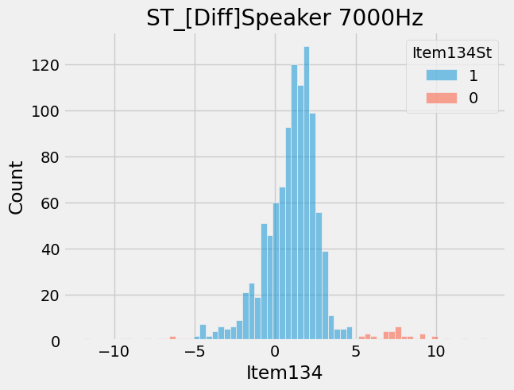
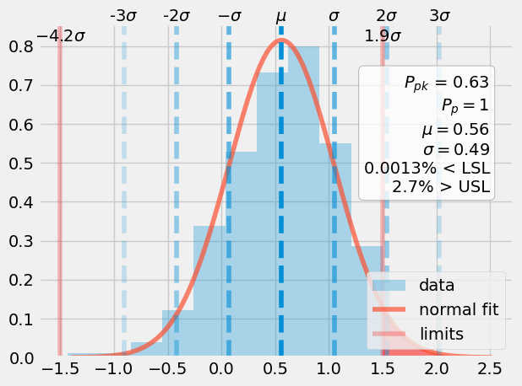
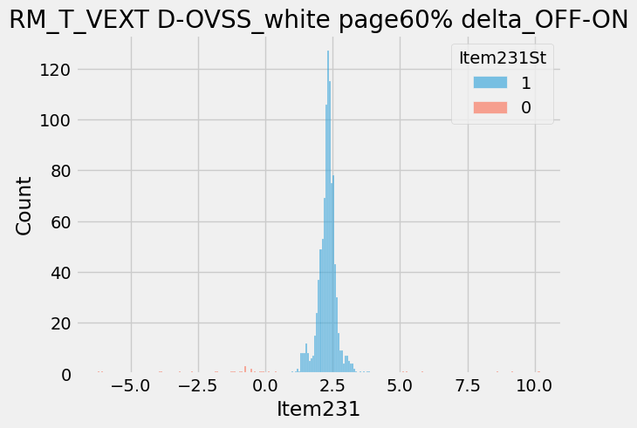
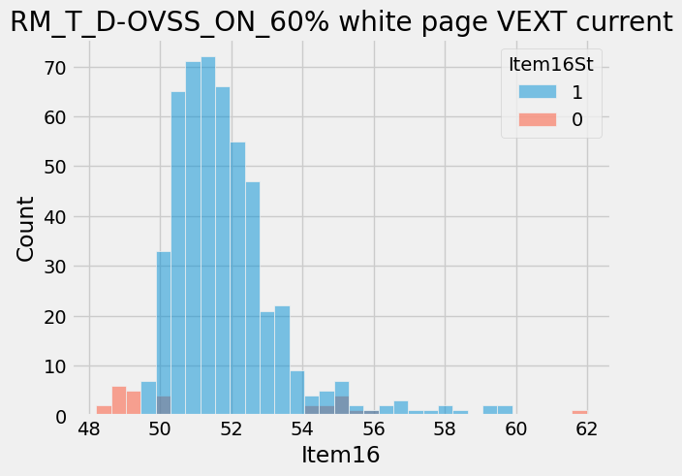
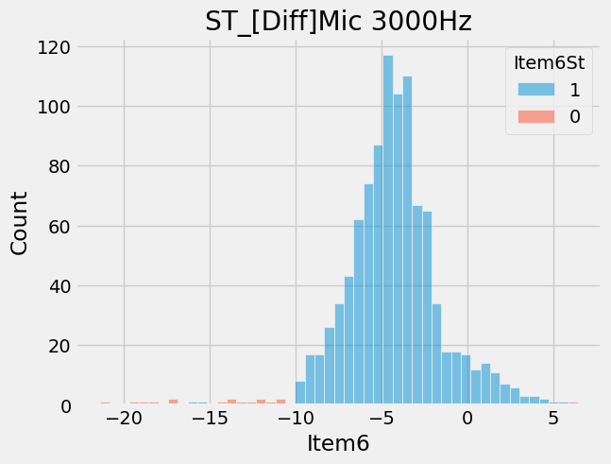
ItemNameType | ProcessType | Item | ItemName | CountCountESN | Retest | CountESN
16558 | Venu3_AutoRT1 | 89 | GPS_ (L1 only) by ref_BL1 | 10/934 | 1.07 | 934

